Map of Assignment
 |  | Vertices of your letter
 |  | 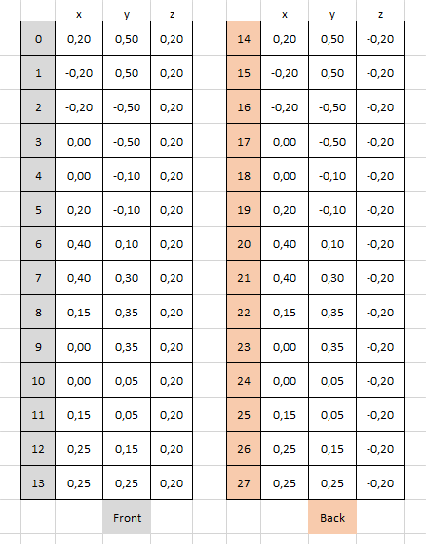 | 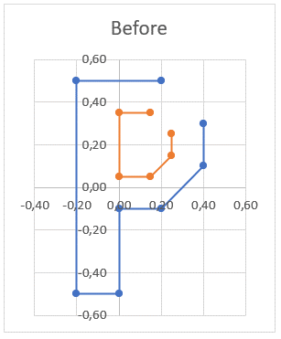

 |  | Rotation Matrix

 |  | Image after Rotation
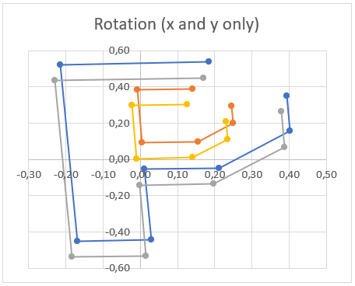 |  | 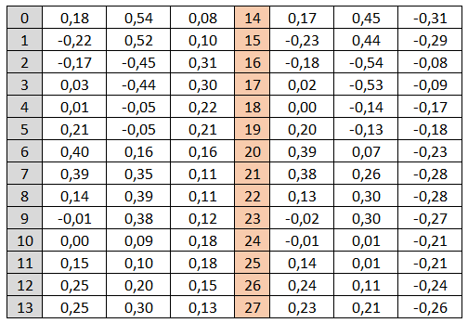

 |  | Scale Matrix |  | Single Matrix of transformations

 |  | Image after Scale
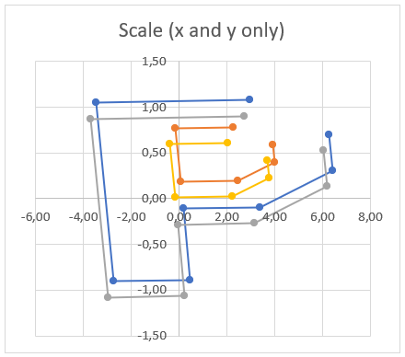 |  | 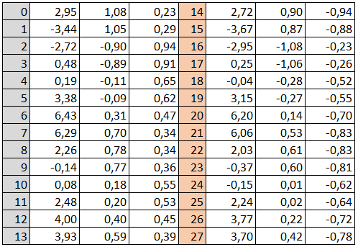

 |  | Translation Matrix

 |  | Image after translation | = | Image after transformations
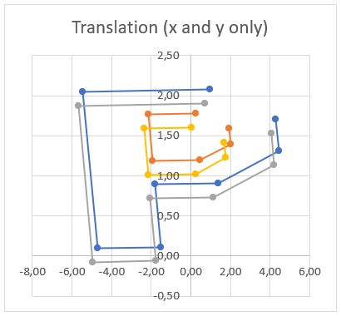 |  | 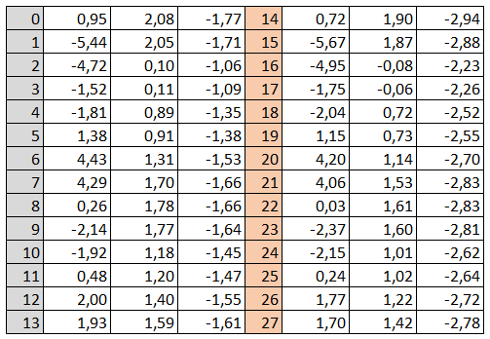 |  |  | 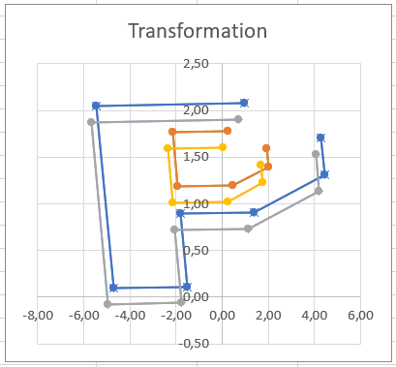

 |  | Viewing Matrix |  |  |  | Single Matrix for everything

 |  | Image after Viewing Matrix
 |  | 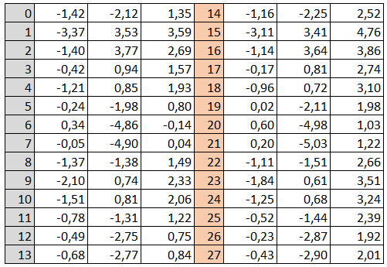 | 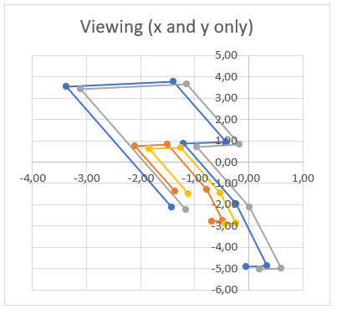

Projection by hand i.e. division |  | Projection matrix
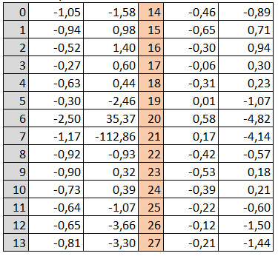

Final Image | = | Final Image | Should be equal (ish) :-) |  |  | Final Image
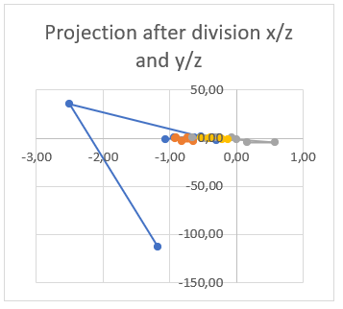 |  | 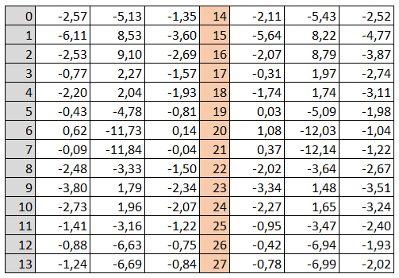 | 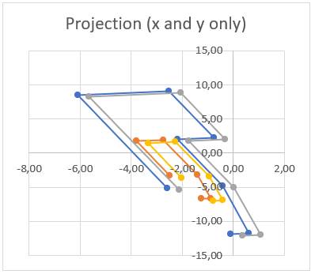 |  |  |  | 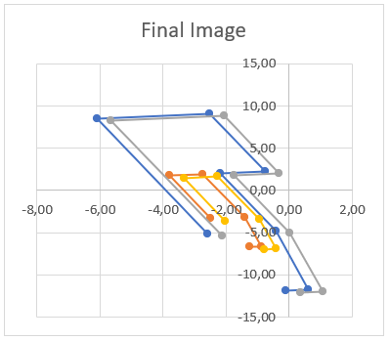

 |  | Final Image on graph paper, or excell chart

